Sheet1
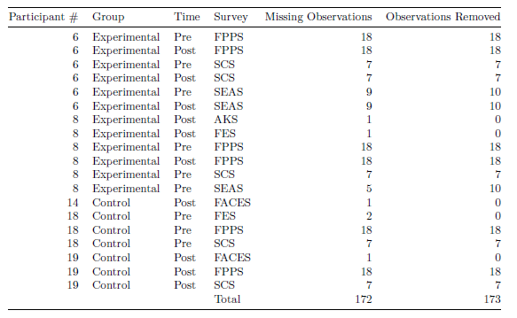

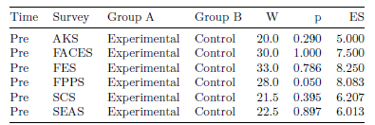
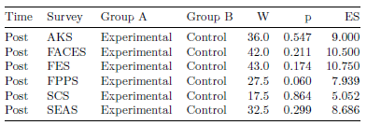

Table 2: Results from Wilcoxon Signed-Rank Test | Table 3: Results from Wilcoxon Signed-Rank Test
W = Test Statistic from Wilcoxon Test, p = p-value, ES = Effect Size | W = Test Statistic from Wilcoxon Test, p = p-value, ES = Effect Size

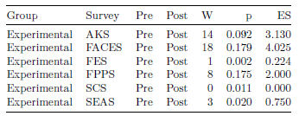
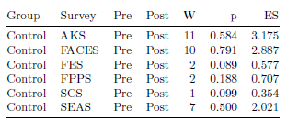
 |  |  | Table 1: Missing Data

Table 4: Results from Wilcoxon Signed-Rank Test | Table 5: Results from Wilcoxon Signed-Rank Test
W = Test Statistic from Wilcoxon Test, p = p-value, ES = Effect Size | W = Test Statistic from Wilcoxon Test, p = p-value, ES = Effect Size

Table 2: Median by Survey for Pre Experimental, Pre Control, Post Experimental, and Post Control Groups |  | Table 3: Interquartile Range (IQR) by Survey for Pre Experimental, Pre Control, Post Experimental, and Post Control Groups

Sheet2
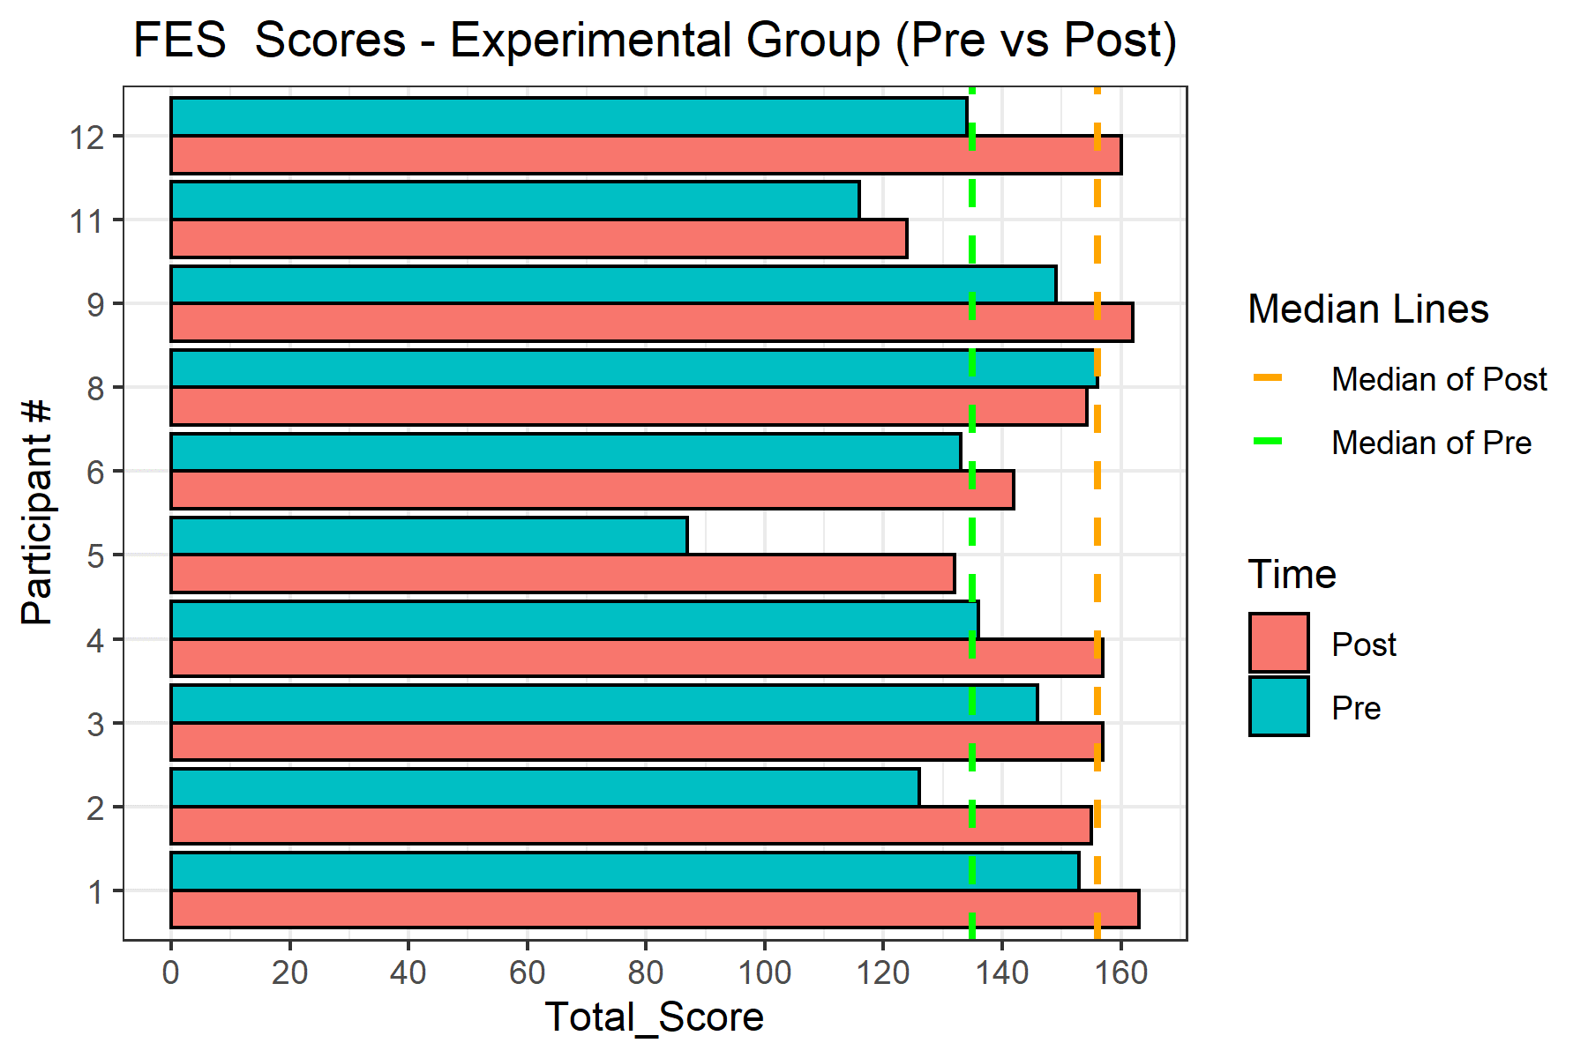
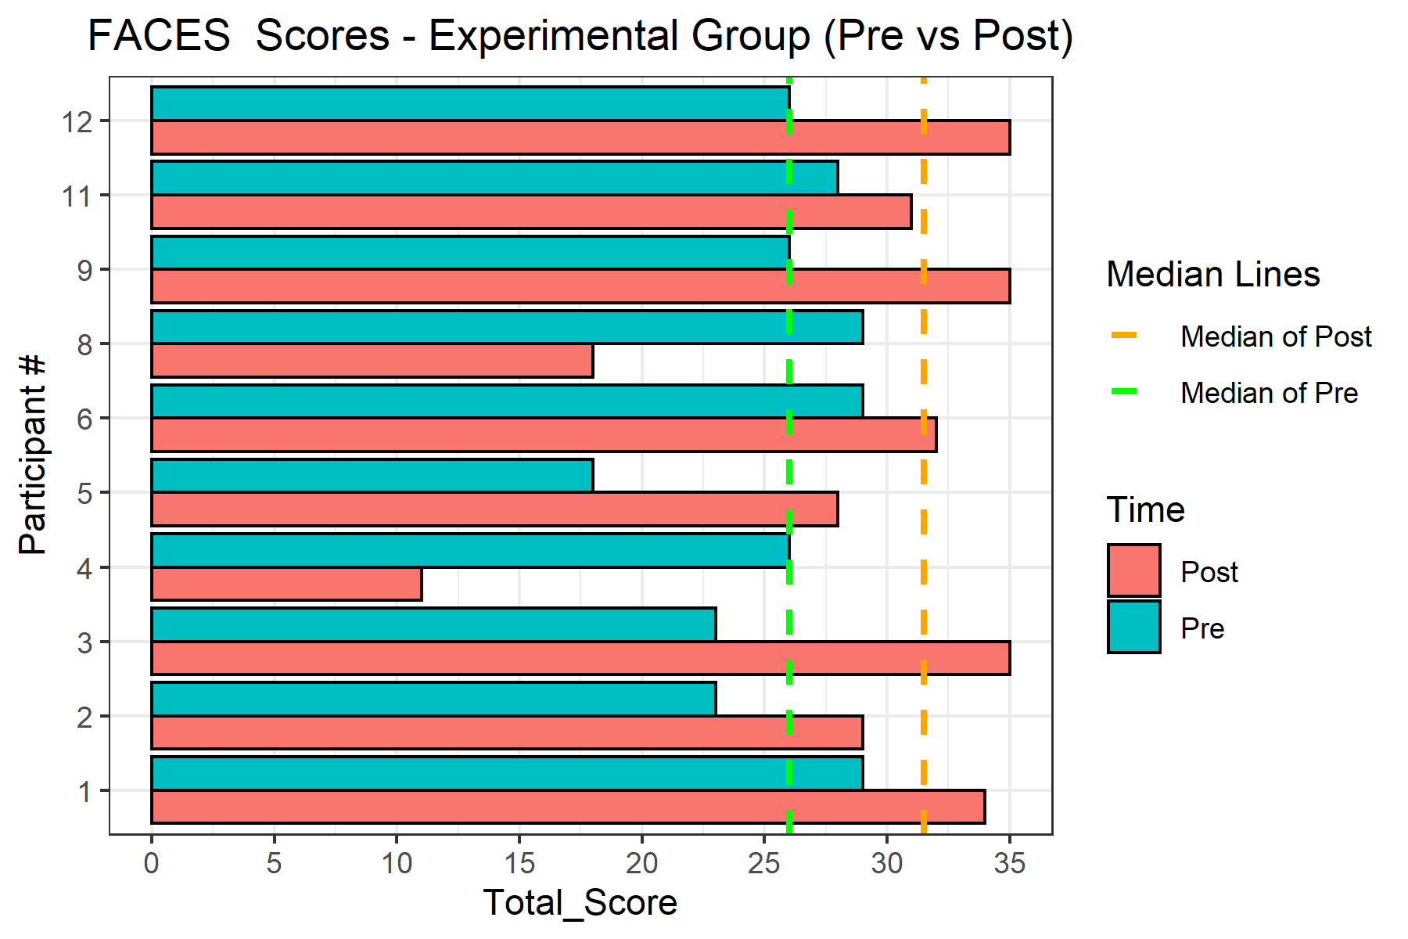
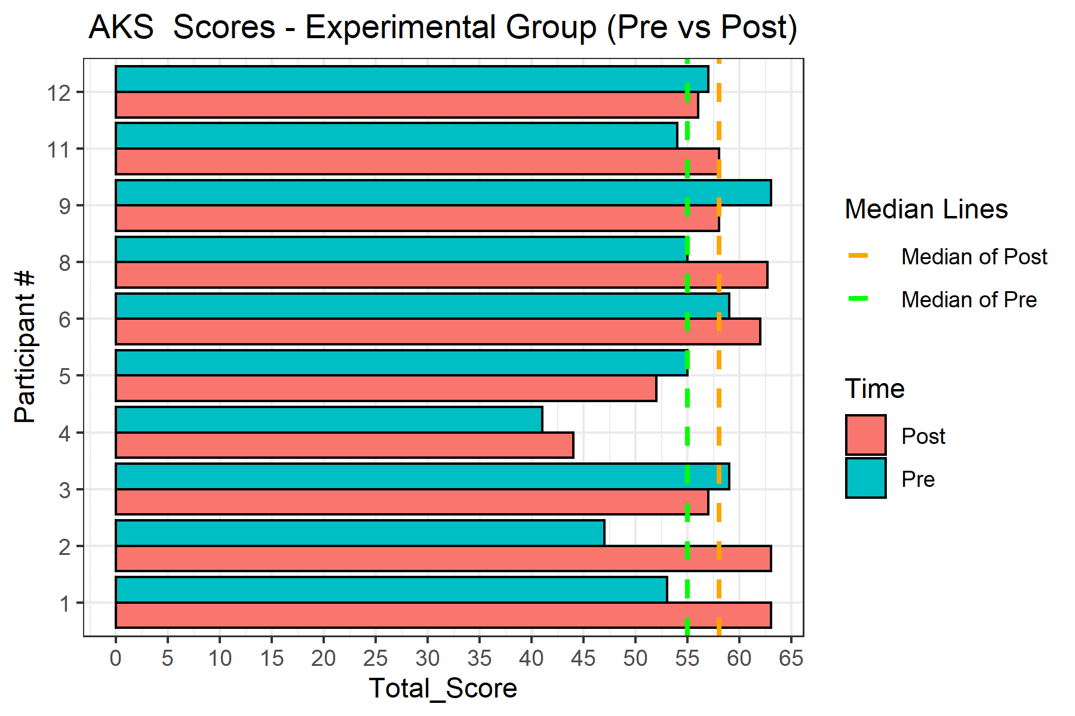

Figure 1: Bar chart for FES Total Scores |  | Figure 3: Bar chart for FACES Total Scores
 | Figure 2: Bar chart for AKS Total Scores

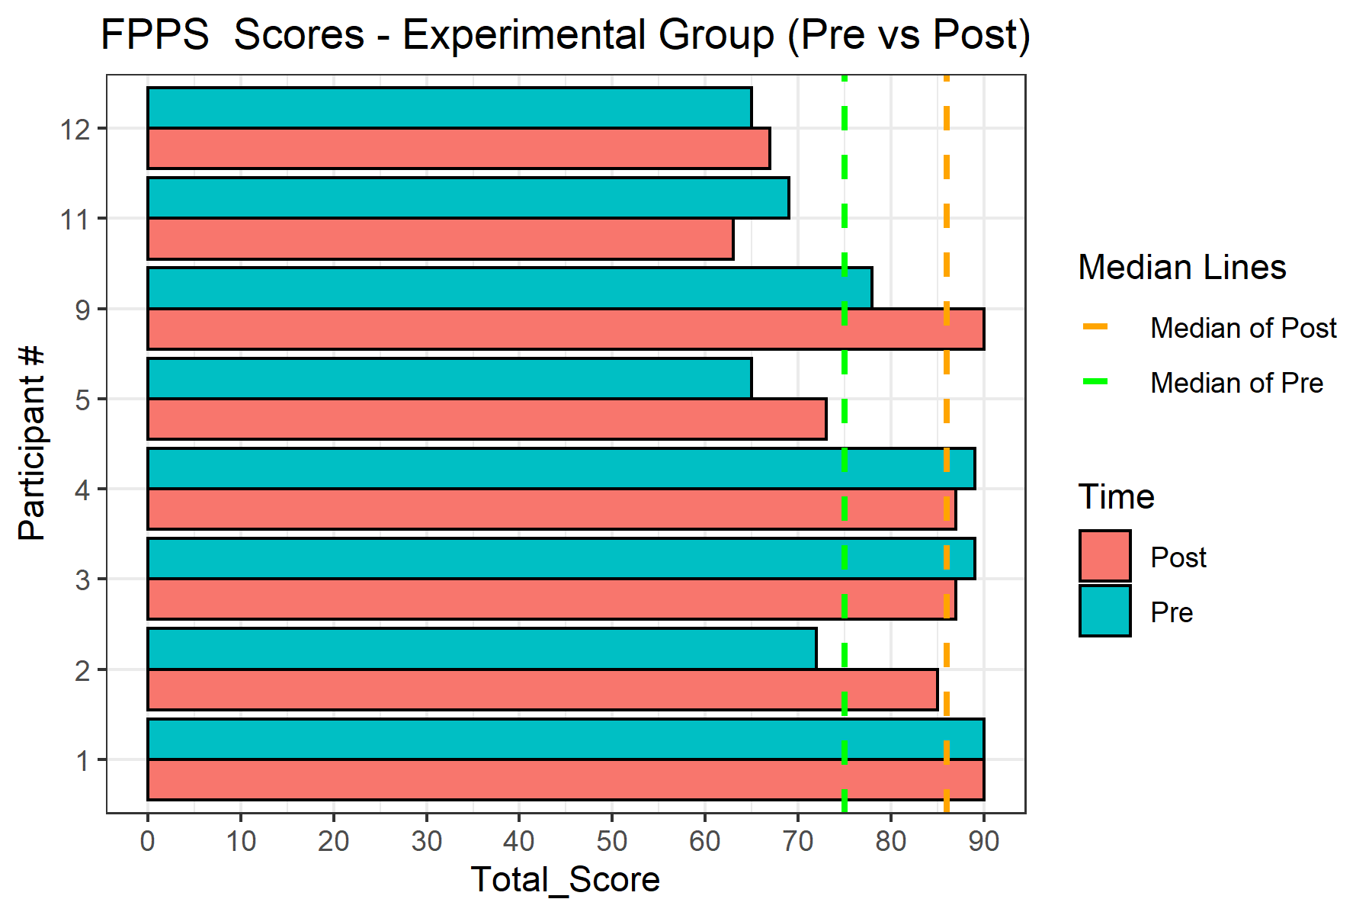
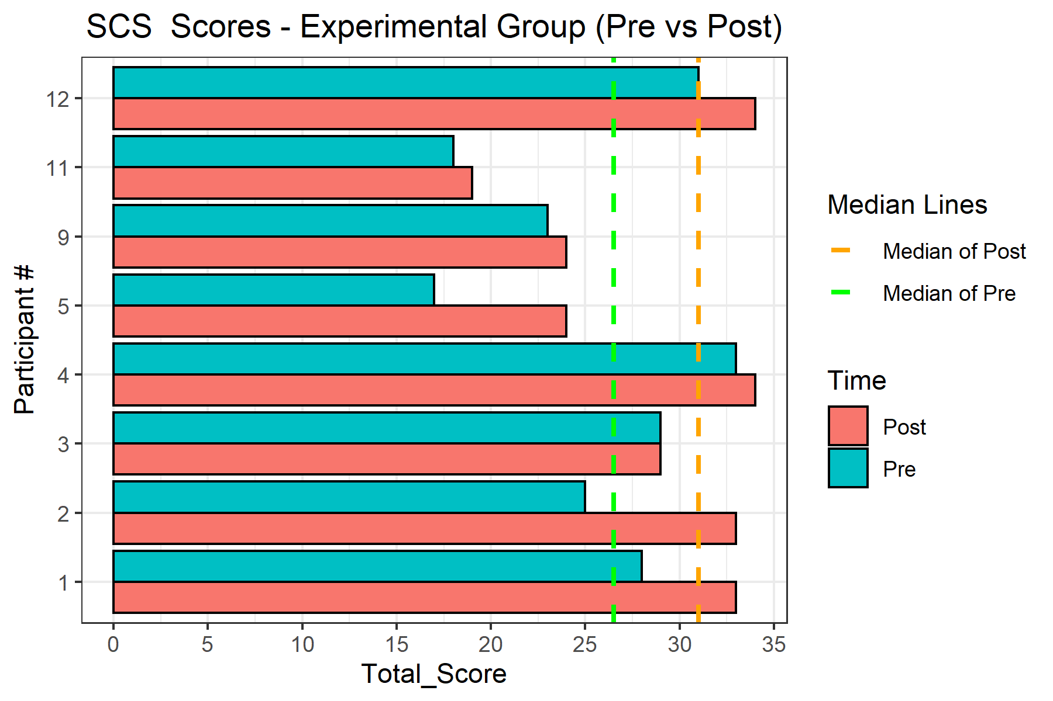

Figure 4: Bar chart for FPPS Total Scores | Figure 5: Bar chart for SCS Total Scores

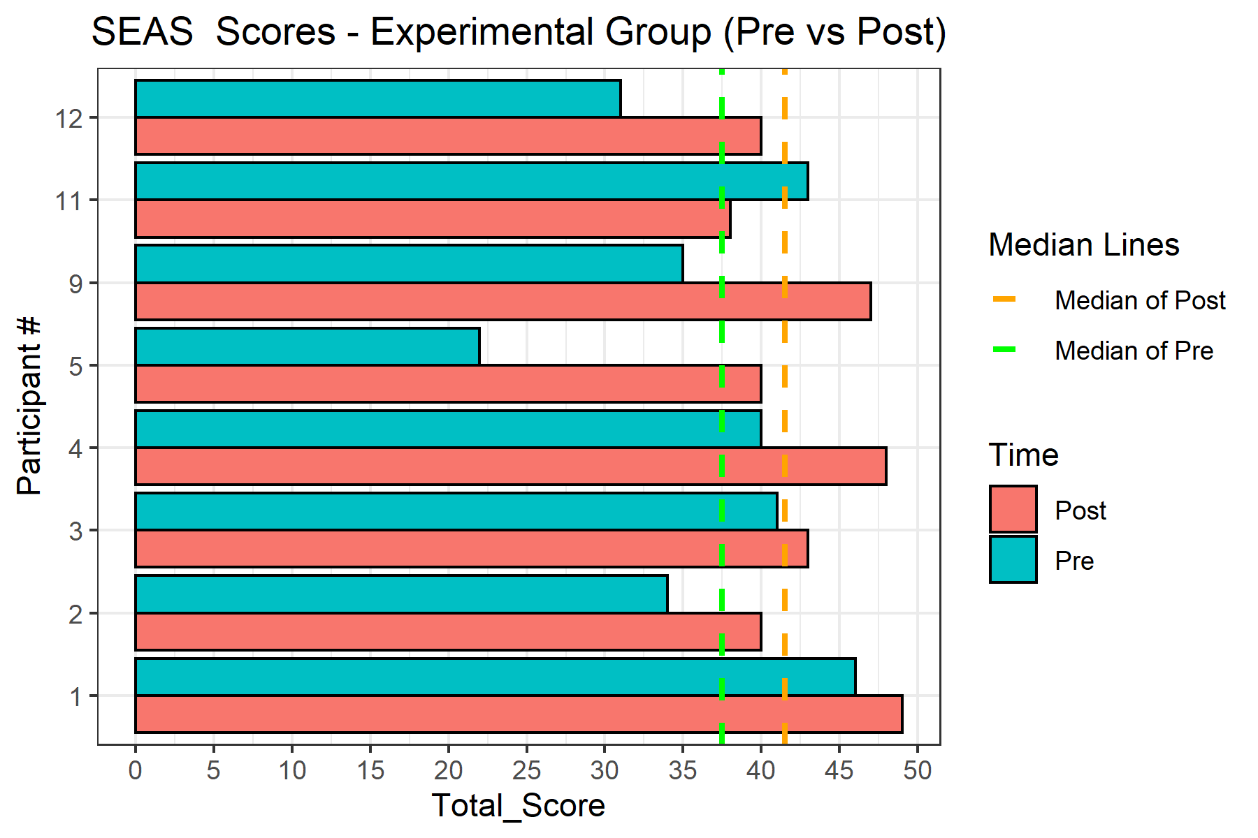

Figure 6: Bar chart for SEAS Total Scores

Sheet3
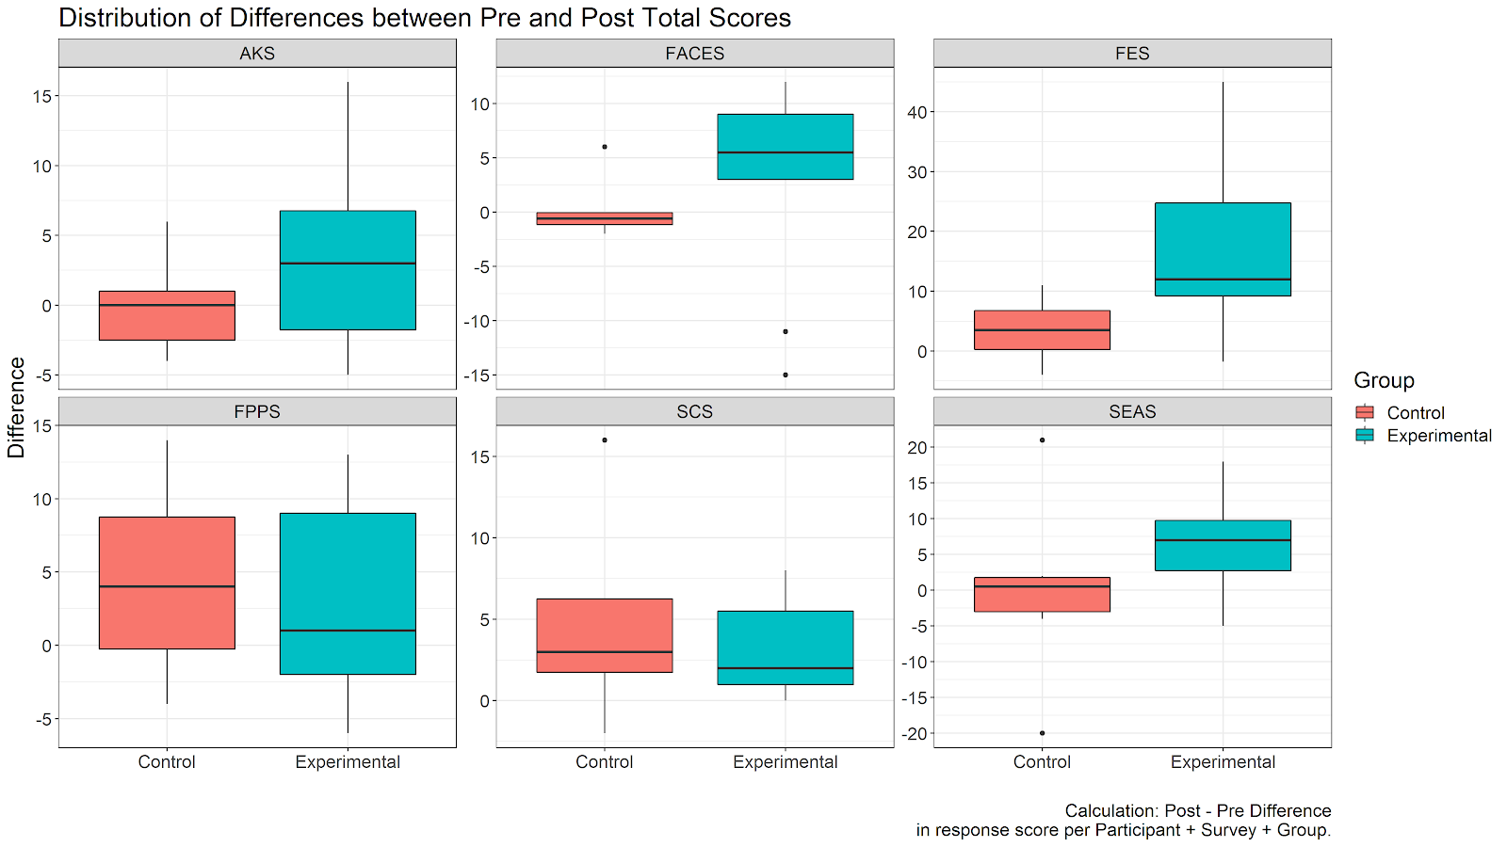
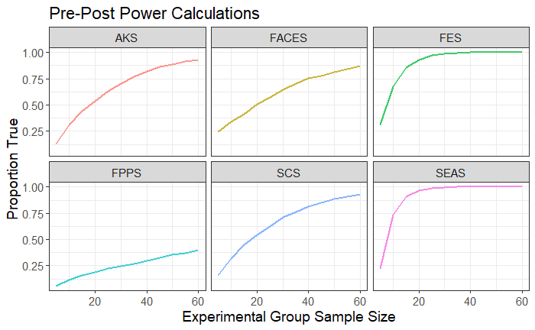

 |  | Figure 9: Plot of Power by Sample Size.

Figure 7: A Boxplot for each survey.
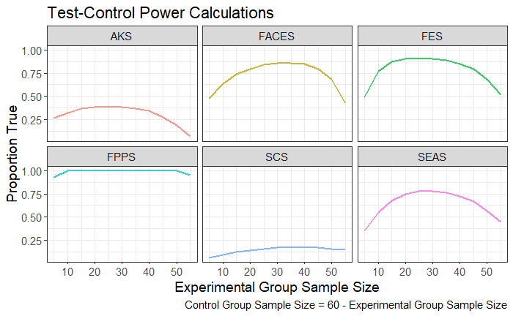

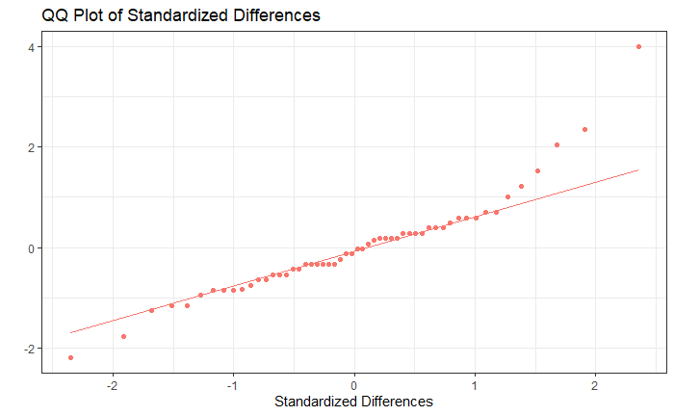

 | Participant # 5

 |  | Figure 10: Plot of Power by Sample Size.

Figure 8: Q-Q (Quantile-Quantile) Plot for Standardized Differences between Pre and Post Scores

